Player Stats Tables
 | Minutes |  |  | 2PM. |  |  | 2PA |  |  | 3PM. |  |  | 3PA |  |  | OREB |  |  | AST |  |  | TOV
Player | A | S | D | A | S | D | A | S | D | A | S | D | A | S | D | A | S | D | A | S | D | A | S | D
LaMelo Ball | 35.3 | 35.9 | -0.6 | 4.2 | 3.6 | 0.6 | 9.4 | 8.2 | 1.2 | 4 | 3.3 | 0.7 | 10.6 | 9 | 1.6 | 1.2 | 1.5 | -0.3 | 8.4 | 8.1 | 0.3 | 3.6 | 3.9 | -0.3
Terry Rozier | 35.2 | 35.9 | -0.7 | 5.2 | 4.3 | 0.9 | 10.8 | 8.9 | 1.9 | 2.6 | 2.2 | 0.4 | 8 | 6.5 | 1.5 | 0.8 | 1 | -0.2 | 5.1 | 4.9 | 0.2 | 2.1 | 2 | 0.1
Kelly Oubre Jr. | 32.6 | 33.5 | -0.9 | 5.1 | 4.1 | 1 | 10 | 8.2 | 1.8 | 2.3 | 1.8 | 0.5 | 7.1 | 5.9 | 1.2 | 1.4 | 1.7 | -0.3 | 1.1 | 1 | 0.1 | 1.3 | 1.3 | 0
P.J. Washington | 32.3 | 33.5 | -1.2 | 3.9 | 3.2 | 0.7 | 7.5 | 6.2 | 1.3 | 2 | 1.6 | 0.4 | 5.9 | 5 | 0.9 | 1 | 1.2 | -0.2 | 2.4 | 2.1 | 0.3 | 1.5 | 1.5 | 0
Gordon Hayward | 31.5 | 31.1 | 0.4 | 4.5 | 3.9 | 0.6 | 8.4 | 7.4 | 1 | 1 | 0.9 | 0.1 | 3.2 | 2.8 | 0.4 | 0.7 | 0.9 | -0.2 | 4.1 | 3.4 | 0.7 | 2 | 1.8 | 0.2
 |  |  | -0.6 |  |  | 0.76 |  |  | 1.44 |  |  | 0.42 |  |  | 1.12 |  |  | -0.24 |  |  | 0.32 |  |  | 0

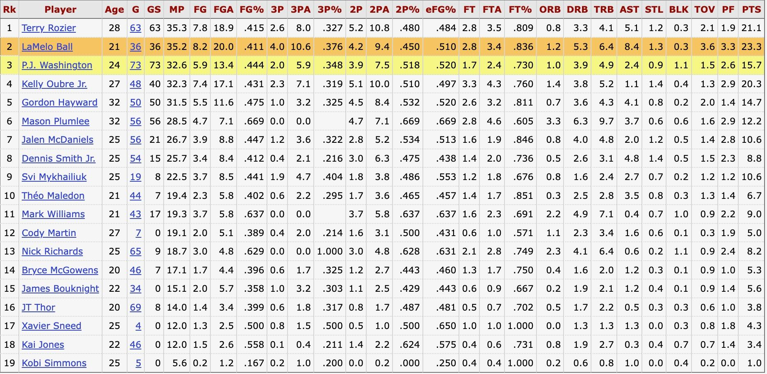

x2p | x2pa | x3p | x3pa | TOV | ORB | AST | minutes | Player | x2pPct | x3pPct
3.632 | 8.238 | 3.32 | 9.042 | 3.856 | 1.528 | 8.142 | 35.9583946 | LaMelo Ball | 0.4408837 | 0.3671754
4.26 | 8.938 | 2.156 | 6.47 | 2.034 | 1.014 | 4.89 | 35.9583946 | Terry Rozier | 0.4766167 | 0.3332303
4.146 | 8.196 | 1.832 | 5.87 | 1.298 | 1.676 | 1.006 | 33.5185395 | Kelly Oubre Jr. | 0.5058565 | 0.3120954
3.17 | 6.166 | 1.588 | 4.946 | 1.46 | 1.198 | 2.072 | 33.5185395 | P.J. Washington | 0.5141096 | 0.3210675
3.88 | 7.372 | 0.882 | 2.752 | 1.764 | 0.876 | 3.358 | 31.1437943 | Gordon Hayward | 0.5263158 | 0.3204942

